AAPL
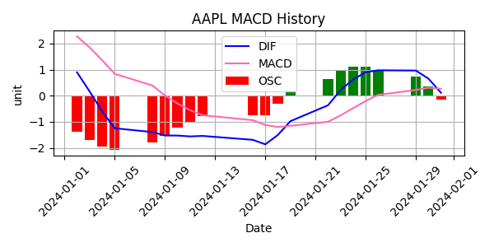
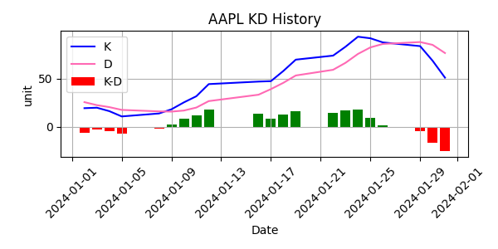
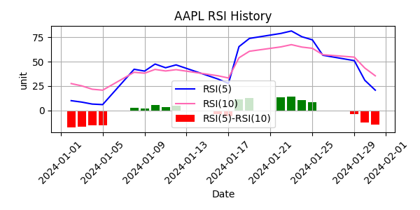
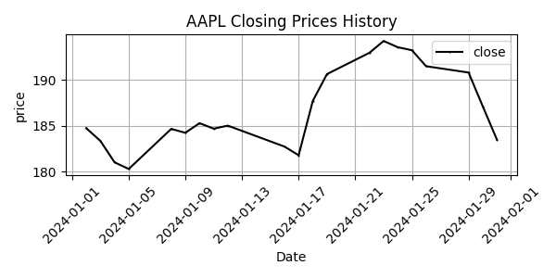
Date | Close Price
2024-01-02 | 184.73
2024-01-03 | 183.35
2024-01-04 | 181.02
2024-01-05 | 180.3
2024-01-08 | 184.66
2024-01-09 | 184.24
2024-01-10 | 185.28
2024-01-11 | 184.69
2024-01-12 | 185.01
2024-01-16 | 182.73
2024-01-17 | 181.79
2024-01-18 | 187.71
2024-01-19 | 190.63
2024-01-22 | 192.94
2024-01-23 | 194.23
2024-01-24 | 193.55
2024-01-25 | 193.22
2024-01-26 | 191.48
2024-01-29 | 190.8
2024-01-30 | 187.12
2024-01-31 | 183.5

